Sheet1
Pointid | Serial number of the data record (row in the data set)

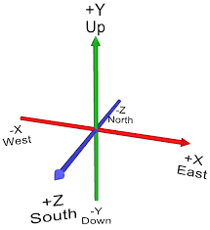
gen_ts | Timestamp when the data is generated. This timezone is 10 hours behind Melbourne's time

lat | latitude position of the cyclist at the given timestamp

lng | longitude position of the cyclist at the given timestamp

reg_ts | Related to previous version of the project.

x | position of the cyclist along the axis

y | position of the cyclist along the y axis

z | position of the cyclist along z axis

We consider the given latitude and longitude as a 3-dimensional plan. We use the X,Y,Z positions of the cyclists to determine their position in that 3D plane so that we can predict their trajectory.

Note: The data points marked in Red are related to previous App implementation.

coord | Coordinate values represented in well-known binary values. This value consists of the latitude and longitude position of the cyclist

predicted | Indicates that the data point is not predicted, and retrieved from the cyclist's smarthpone

speed | Speed of the cyclist at the given time

azimuth | Suppose to represent the direction in which the cyclist is heading. We haven't logged this - it is related to the previous implementation. The current values are wrong - as I have logged a default value - as I haven't received it from the app.

Catogery | Category of the vehicle - bike by default

Userid | Login ID of the user

Correct time |  | ts in Melbourne's time

